1. Setup
Click the "Update" button to update links.
 |  |  | Click the "Continue" button to close the window.

 | Click the "Enable Content" button for full workbook functionality.

Next >
 |  | Click Here to Begin

2. Introduction
Introduction |  | Careers Involving Probability

 | Having the ability to use probability to determine the outcome of events happening is a valuable tool when making decisions. Depending on the event you would like to occur will determine how you will calculate probability changes. For example, calculating the chances of you winning the lottery will be different from determining if you will pull a two of hearts from a deck of cards. Once you are able to identify if the events are independent, conditional, or mutually exclusive, determining their probability will be easy to understand. |  | Job Title | Median Salary (2018)* | Job Growth (2018-2028)*
 |  |  | Mathematician | $101,900 | 26%
 |  |  | Market Research Analyst | $63,120 | 20%
 |  |  | Meteorologist | $94,110 | 8%
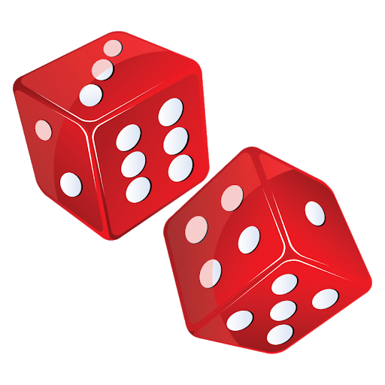
 |  |  | Statistician | $87,780 | 31%
 |  |  | Operations Research Analyst | $83,390 | 26%
 |  |  | Financial Analyst | $85,660 | 6%

 |  |  | *Source: U.S. Bureau of Labor Statistics

< Previous
Next >

3. Meaning of Probability
Understanding the Meaning |  | General Equation

 | Probability is the likelihood of a random event happening, usually expressed as a ratio.

 | Think of it as the odds of something happening; using the scale of 0 and 1. With 0 is there is no chance of the event happening and 1 being 100% sure the event will happen (the event will happen (1 out of 1 times).

 | Click on the picture below to see a description on how to understand probability.

< Previous
Next >

4. Single Event
Probability of a Single Event |  |  |  | Single Event Equation

 | It is important to include a favorable outcome you may have and the possible outcomes. To understand more complex theories we must first look at the probability of a single, random event happening. |  |  |  | Fun Fact: The first video was introduced in October 1958 by Physicist William Higinbotham. It was a simple tennis game, similar to the 1970 Hit Pong. Click the icon below for more information.

 | For example, if you have a room of gamers, with 10 who love Xbox and 5 who love PlayStation, you might want to know what the possibility of randomly finding someone who loves PlayStation. Since you have 5 people who love PlayStation, the number of favorable outcomes is 5. Since you have 15 people in the room, the number of possible outcomes is 15.



 |  | A Room of Gamers




 |  | 10 People Love XBOX | 5 People Love PlayStation

< Previous
Next >

5. Multiple Events
Probability of Multiple Independent Events |  | Example of Using Multiple Events

 | Independent events are ones in which the outcome of one event does not affect the probability of the other event happening.

 | For example, if you are using two dice, you might want to know what the probability is that you will roll a double 3. The chance that you will throw a 3 with one die does not affect the chance that you will throw a 3 with the second die, thus the events are independent.

 | Click on the picture below for more information.

< Previous
Next >

6. Conditional Events
Probability of Conditional Events |  | Single Event Equation


 | A conditional event, also called a dependent event, is an event that may be affected by the event(s) that come before.

 | For example, if you are preparing for the draft and want to add a point guard to your team, you might want to know how many good point guards are available. If someone choose a good point guard before your turn, that affects the probability of remaining players. because once that player is gone they will be fewer players available for you.

 | Click on the picture below for more information.

< Previous
Next >

7. Experiment Time
Experiment


 | Although, probability can be worked out by using equation, we can also use graphs and charts to determine event possibilities.

 | On the next pages, you will use dice to determine and understand probability. This experiment will use a pair of dice to determine how often the sum of the dice will appear. A few question you may want to consider are:

 |  | 1. What is the least possible score?
 |  | 2. What is the greatest possible score?
 |  | 3. Doing a comparison of graphs and trials, what do you think the most likely total score?

 | If you do not have a pair of dice, a link will be provided to use a digital pair of dice.

 | Click on the "Begin Experiment" button when you are ready to begin.
Begin Experiment

< Previous

8. Recording the Theory
Recording the Theory |  |  |  |  |  |  | Entering Results

 | Dice are used around the would from childhood to adulthood. It is practiced as a form of probability to help move a players pawn on a board game or gamble at casinos. We will use the table below to see the possibilities of outcome from total of two dice. Be advised, some total may be achieved many ways (i.e. the total of 9 has 4 possibilities, 3-6, 4-5, 5-4, and 6-3.) |  |  |  |  |  |  | Probability of Sums on Two Dice |  |  |  | Fun Fact: Many people think that one of these cubes is called "a dice". But no! The plural is dice, but the singular is die: i.e. 1 die, 2 dice.

 | Beginning with the table on the right, record the sum of the dice. A few values have been filled in to get you started.
 |  |  |  |  |  |  |  |  |  | 5
 | Next, you will record the amount of times each sum appears in the table below

 | After completing both tables, click on the "SEE GRAPH" button below to see how that graph would look.
 |  |  |  |  |  |  |  |  |  |  | 9

 | SUMS = 2 | SUMS = 3 | SUMS = 4 | SUMS = 5 | SUMS = 6 | SUMS = 7 |  |  | 6

 | SUMS = 8 | SUMS = 9 | SUMS = 10 | SUMS = 11 | SUMS = 12

 | Record the amount of each total appears from the table on the right. |  |  |  |  |  |  |  | In the table above, enter the sum of the dots on the dice (2-2 = 4, 4-5 = 9). A few sums has been entered for you.
SEE GRAPH

Next >

9. Expected Recordings
Expected Results |  |  |  |  |  |  | Expected Results

 | Your tables should look like the ones you see on this page. If you are correct, GREAT JOB. If not, feel free to return to the previous screen and enter the correct answer. You are GREAT also. |  |  |  |  |  |  | Probability of Sums on Two Dice |  |  |  |  |  |  | Note: To see how to easily create graphs/charts in excel, click on the icon below.


 | To see how your graph should look click on the "COMPARE GRAPHS" button. After you are satisfied with the results click on the "NEXT" button below to continue. |  |  |  |  |  |  |  | 2 | 3 | 4 | 5 | 6 | 7

 |  |  |  |  |  |  |  |  | 3 | 4 | 5 | 6 | 7 | 8

 |  |  |  |  |  |  |  |  | 4 | 5 | 6 | 7 | 8 | 9

 |  |  |  |  |  |  |  |  | 5 | 6 | 7 | 8 | 9 | 10

 | SUMS = 2 | SUMS = 3 | SUMS = 4 | SUMS = 5 | SUMS = 6 | SUMS = 7 |  |  | 6 | 7 | 8 | 9 | 10 | 11
 | 1 | 2 | 3 | 4 | 5 | 6
 | SUMS = 8 | SUMS = 9 | SUMS = 10 | SUMS = 11 | SUMS = 12 |  |  |  | 7 | 8 | 9 | 10 | 11 | 12
 | 5 | 4 | 3 | 2 | 1

COMPARE GRAPHS

< Previous
Next >

10. Experiment Instructions
Instructions |  | Examples

 | For the next few slides, you will roll a pair of 6 sided dice and record the sum of the dice on each roll. If you do not have a pair of dice a link will be provided to use a digital pair of dice. There will be 3 rounds of 36 rolls, totaling 108 rolls.
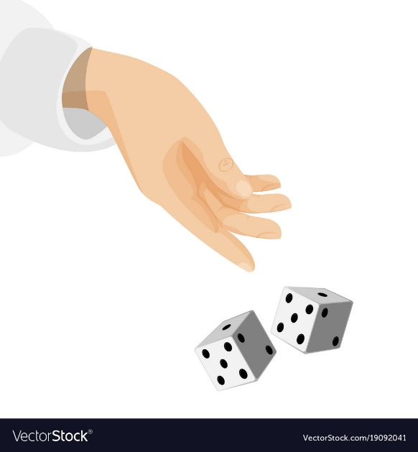

 | After each roll you will record the sum of the dice on the provided table.
 | You will then tally the frequency of each roll.

 | At the end of all three rounds you will compare your rolls will the graph we created on the previous page.

 | On the right is an example of how the table will look after it is populated with results.
 | Click on "Let's Start Rolling" to begin.

Let's Start Rolling!

< Previous

11. Testing the Theory (1)

Round 1 Results |  |  |  |  |  |  | Round

 | Roll 1 | Roll 2 | Roll 3 | Roll 4 | Roll 5 | Roll 6 |  | 1

 | Roll 7 | Roll 8 | Roll 9 | Roll 10 | Roll 11 | Roll 12

 | Roll 13 | Roll 14 | Roll 15 | Roll 16 | Roll 17 | Roll 18

 | Roll 19 | Roll 20 | Roll 21 | Roll 22 | Roll 23 | Roll 24 |  |  | Note: If you do not have a pair of dice available, click on the pair above to use simulated ones.

 | Roll 25 | Roll 26 | Roll 27 | Roll 28 | Roll 29 | Roll 30

 | Roll 31 | Roll 32 | Roll 33 | Roll 34 | Roll 35 | Roll 36

Clear Table
 | Record your rolls in the table above.

 | 2 | 3 | 4 | 5 | 6 | 7

 | 8 | 9 | 10 | 11 | 12

Clear Table
 | Record the amount of each total appears from the previous table.

< Previous
Next >

12. Testing the Theory (2)
Round 2 Results |  |  |  |  |  |  | Round

 | Roll 37 | Roll 38 | Roll 39 | Roll 40 | Roll 41 | Roll 42 |  | 2

 | Roll 43 | Roll 44 | Roll 45 | Roll 46 | Roll 47 | Roll 48

 | Roll 49 | Roll 50 | Roll 51 | Roll 52 | Roll 53 | Roll 54

 | Roll 55 | Roll 56 | Roll 57 | Roll 58 | Roll 59 | Roll 60 |  |  | Note: If you do not have a pair of dice available, click on the pair above to use simulated ones.

 | Roll 61 | Roll 62 | Roll 63 | Roll 64 | Roll 65 | Roll 66

 | Roll 67 | Roll 68 | Roll 69 | Roll 70 | Roll 71 | Roll 72

Clear Table
 | Record your rolls in the table above.

 | 2 | 3 | 4 | 5 | 6 | 7

 | 8 | 9 | 10 | 11 | 12

Clear Table
 | Record the amount of each total appears from the previous table.

< Previous
Next >

13. Testing the Theory (3)
Round 3 Results |  |  |  |  |  |  | Round

 | Roll 73 | Roll 74 | Roll 75 | Roll 76 | Roll 77 | Roll 78 |  | 3

 | Roll 79 | Roll 80 | Roll 81 | Roll 82 | Roll 83 | Roll 84

 | Roll 85 | Roll 86 | Roll 87 | Roll 88 | Roll 89 | Roll 90

 | Roll 91 | Roll 92 | Roll 93 | Roll 94 | Roll 95 | Roll 96 |  |  | Note: If you do not have a pair of dice available, click on the pair above to use simulated ones.

 | Roll 97 | Roll 98 | Roll 99 | Roll 100 | Roll 101 | Roll 102

 | Roll 103 | Roll 104 | Roll 105 | Roll 106 | Roll 107 | Roll 108

Clear Table
 | Record your rolls in the table above.

 | 2 | 3 | 4 | 5 | 6 | 7

 | 8 | 9 | 10 | 11 | 12

Clear Table
 | Record the amount of each total appears from the previous table.

< Previous
Next >

14. Testing the Theory (4)
Totals From All 3 Rounds |  |  |  |  |  |  | Graphing the Results

 | Dice Sums Appearance
2 | 0
3 | 0
4 | 0
5 | 0
6 | 0
7 | 0
8 | 0
9 | 0
10 | 0
11 | 0
12 | 0
 | 2 | 3 | 4 | 5 | 6 | 7
 | 0 | 0 | 0 | 0 | 0 | 0
 | 8 | 9 | 10 | 11 | 12
 | 0 | 0 | 0 | 0 | 0
 | Round 1 Results
 | 2 | 3 | 4 | 5 | 6 | 7
 | 0 | 0 | 0 | 0 | 0 | 0
 | 8 | 9 | 10 | 11 | 12
 | 0 | 0 | 0 | 0 | 0
 | Round 2 Results
 | 2 | 3 | 4 | 5 | 6 | 7
 | 0 | 0 | 0 | 0 | 0 | 0
 | 8 | 9 | 10 | 11 | 12
 | 0 | 0 | 0 | 0 | 0
 | Round 3 Results
 | 2 | 3 | 4 | 5 | 6 | 7
 | 0 | 0 | 0 | 0 | 0 | 0
 | 8 | 9 | 10 | 11 | 12
COMPARE RESULTS
 | 0 | 0 | 0 | 0 | 0
 | Total From All 3 Rounds
< Previous
Next >

15. Conclusion
What Does This All Mean |  | Resources

 | Both graphs should be quite similar, but they are not likely to be exactly the same, as your experiment relied on chance, and the number of times you did it was fairly small. If you did the experiment a very large number of times, you should get results much closer to the theoretical ones. |  | You may find the links below helpful.

 |  |  | Moreno Valley College CTE | https://mvccte.com/

 | Although we used dice in this experiment to determine and understand probability, there are many other ways probability in used in everyday life, whether it is the chances of winning the lottery/raffle or the possibility of earning an A in class. |  | Moreno Valley College iMake Innovation Center | https://mvccte.com/imake/

 |  |  | Careers Using Probability | https://study.com/articles/careers_involving_probability_statistics.html

 |  |  | Math Is Fun | https://www.mathsisfun.com/activity/dice-experiment-2.html

 |  |  | Creating Graphs in Excel | https://www.youtube.com/watch?v=3PwVWX28dEE
 | On the right are a few website that may be helpful .
 |  |  | Statistics, Data Analysis & Probability in Real Life | https://study.com/academy/lesson/statistics-data-analysis-probability-in-real-life.html

 |  |  | Understanding Probabilities | https://www.wikihow.com/Understand-Probability#qa_headline

< Previous

